FURNITURE BID Info
 |  |  |  |  |  |  |  |  |  |  |  |  |  |  | Project Location: |  | Suite 401 EAST
 |  |  |  |  |  |  | 2022-08-15 |  |  |  |  |  |  |  |  |  | Kinneary Courthouse
 |  |  |  |  |  |  |  |  |  |  |  |  |  |  |  |  | 85 Marconi Blvd.
 |  |  |  |  |  |  |  |  |  |  |  |  |  |  |  |  | Columbus, OH 43215
 |  |  |  |  |  |  |  |  |  |  |  |  |  |  | Project Estimated Start: |  | Jan-23

Room | Room Name | Key | Manufacture | Description / Link | Model # | Finish | Image | GSA SCHEDULE Please list GSA contract schedule | OPEN MARKET | QUOTED AS SPECIFIED | CANNOT BE BID | SUBSTUTUTE PROVIDED | LEAD TIME in Weeks | QTY | COST CEILING 2021 | PROJECTED COST | UNIT PRICE | EXTENDED COST | INSTALL COSTS | FREIGHT PER MFG. | TOTAL PRODUCT, DELIVERED, INSTALLED, FREIGHT, PER QUANTITY

C A S E G O O D S
401R, 401S, 401T, 401U, 401V | Clerks Office | D 21 | Knoll Reff Profiles | Classic Desk Half Modesty Recessed | RCDHMR72362 |  | 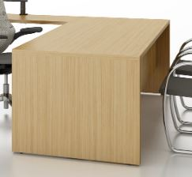 | GS-03F-078DA |  |  |  |  |  | 5 | $2,590.00 | $12,950.00 | $1.00 | $5.00 | $- | $0.00 | $5.00
 |  |  |  | 36"D x 72"L x 28 3/8"H
 |  |  |  | Standard Wood Veneer | V1 | Veneer finish TBD
 |  |  |  | No Grommet
 |  |  |  |  |  |  |  |  |  |  |  |  |  |  | Desk
 |  |  |  | https://www.knoll.com/product/reff-profiles%3Fsection=Design#gallery-popup |  |  |  |  |  |  |  |  |  |  | Level B
401V | Clerks Office | D 22 | Knoll Reff Profiles | Classic Desk, No Modesty Panel | Special |  |  | GS-03F-078DA |  |  |  |  |  | 1 | $2,590.00 | $2,590.00 | $1.00 | $1.00 | $- | $0.00 | $1.00
 |  |  |  | Special: 24"D x 72"L x 28 3/8"H
 |  |  |  | Standard Wood Veneer | V1 | Veneer finish TBD
 |  |  |  | No Grommet

 |  |  |  | https://www.knoll.com/product/reff-profiles%3Fsection=Design#gallery-popup
401R, 401S, 401T, 401U, 401V | Clerks Office | D 23 | Knoll | k. stand Height Adjustable Table Base, C-Leg, Standard Electric, Adjustable Width Base, with glides, with standard switch (for use with 42W to 84W x 23D to 24D nominal top) | KHATB2CEA24GS | Black | 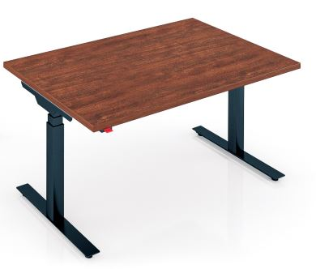 | GS-03F-078DA |  |  |  |  |  | 5 | $3,130.00
 |  |  |  | Dividends Worksurface, Rectangular, 46Wx23D, no grommet (for use with k. stand) | KHATTDR4623N | Techwood w/ Techwood edge (V1) color TBD |  |  |  |  |  |  |  |  | Sit / Stand Desk
 |  |  |  | https://www.knoll.com/product/k-stand-height-adjustable-tables?section=design |  |  |  |  |  |  |  |  |  |  | Level A
401Q | Chamber Office | D24 | Knoll Reff Profiles | Reff Classic Desk Base, Height Adjustable, 60W x 30D | RCHB6030 |  |  | GS-03F-078DA |  |  |  |  |  | 1 |  | $1.00 | $1.00 | $1.00 | $- | $0.00 | $1.00
 |  |  |  | Switch: Standard | S |  | D24 & D25 shown together
 |  |  |  | Base: V1 Techwood Veneer | V1 | Color TBD | with mobile pedestal P21
 |  |  |  | Shroud: V1 Techwood Veneer | V1 | Color TBD
 |  |  |  | Leg |  | Black
 |  |  |  | Reff Classic Desk Top for Height Adjustable Base, Flush Modesty, 60W x 30D, 1 1/2" Square Edge | RCHTDF6030

 |  |  |  | No Grommet | N
 |  |  |  | Top: V1 Techwood Veneer | V1 | Color TBD | outside |  |  |  |  |  |  |  | Level A
 |  |  |  | Wood Edge: Complementry Wood
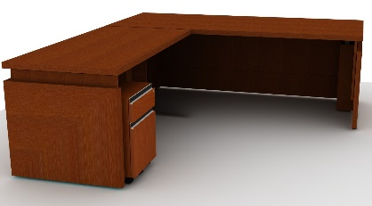
401Q | Chamber Office | D25 | Knoll Reff Profiles | Reff Classic Desk Base, Height Adjustable, 84W x 36D | RCHB8436 |  |  | GS-03F-078DA |  |  |  |  |  | 1 |  | $1.00 | $1.00 | $1.00 | $- | $0.00 | $1.00
 |  |  |  | Switch: Standard | S
 |  |  |  | Base: V1 Techwood Veneer | V1 | Color TBD
 |  |  |  | Shroud: V1 Techwood Veneer | V1 | Color TBD
 |  |  |  | Leg |  | Black
 |  |  |  | Reff Classic Desk Top for Height Adjustable Base, Flush Modesty, 84W x 36D, 1 1/2" Square Edge | RCHTDF8436
 |  |  |  |  |  |  | Inside
 |  |  |  | No Grommet | N
 |  |  |  | Top: V1 Techwood Veneer | V1 | Color TBD
 |  |  |  | Wood Edge: Complementry Wood
 |  |  |  | https://www.knoll.com/product/reff-profiles-height-adjustable-desks?section=design |  |  |  |  |  |  |  |  |  |  | Level A
401Q, 401V | Chamber Office | P21 | Knoll Reff Profiles | Mobile Pedestal, Classic Desk Ht. 23"High Wood Interior | RMDH311R |  |  | GS-03F-078DA |  |  |  |  |  | 2 |  | $2.00 | $1.00 | $2.00 | $- | $0.00 | $2.00
 |  |  |  | 16"W x 19"D x 23"H
 |  |  |  | Standard Wood Veneer | V1 | Veneer finish TBD
 |  |  |  | Pull Style TBD |  | Black
 |  |  |  | Stepped Base | R2
 |  |  |  | Lock |  | Black Finish
 |  |  |  | https://www.knoll.com/product/reff-profiles%3Fsection=Design#gallery-popup
401R, 401S, 401T, 401U | Clerks Office | P22 | Knoll Reff Profiles | SAME AS P21 BUT WITH NO LOCK |  |  |  | GS-03F-078DA |  |  |  |  |  | 4 |  | $4.00 | $1.00 | $4.00 | $- | $0.00 | $4.00

401G, 401H, 401K, 401L | Clerks Office | BC21 | Knoll Reff Profiles | Open Bookcase, 53" High, Wood Interior | RC561DHB |  | 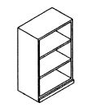 | GS-03F-078DA |  |  |  |  |  | 4 | $1,510.00 | $6,040.00 | $1.00 | $4.00 | $- | $- | $4.00
 |  |  |  | 36W x 15D x 53H
 |  |  |  | Stepped Base
 |  |  |  | Standard Wood Veneer | V1 | Veneer finish TBD |  |  |  |  |  |  |  |  | Bookcase
 |  |  |  | https://www.knoll.com/product/reff-profiles%3Fsection=Design#gallery-popup |  |  |  |  |  |  |  |  |  |  | Level B

T A B L E S
401Q | Chamber Office | T21 | Davis | Ekko Table | EK-4060 |  | 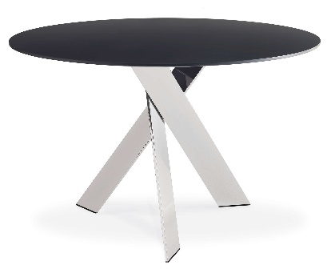 | GS-27F-016DA |  |  |  |  |  | 1 | $3,130.00 | $3,130.00 | $1.00 | $1.00 | $- | $- | $1.00
 |  |  |  | Quad Base 60" Round Top |  |  |  |  |  |  |  |  |  |  |  |  | $1.00 | $1.00 | $- | $- | $1.00
 |  |  |  | Metal Finish |  | 05 Matte Black
 |  |  |  | Top Finish |  | Walnut Veneer, TBD
 |  |  |  | Power Box; (1) power, (2) RJ45 Cat 6 |  | EK-5200 |  |  |  |  |  |  |  |  | Conf Table
 |  |  |  | Wire Management |  | EK-WireM-Quad |  |  |  |  |  |  |  |  | Seats 6
 |  |  |  | https://www.davisfurniture.com/products/ekko |  |  |  |  |  |  |  |  |  |  | Level A
401Q | Chamber Office | T22 | HBF | November Coffee Table, Round Top Metal Base | HTN11302R-1642 |  |  | GS-28F-0020M |  |  |  |  |  | 1 | $1,510.00 | $1,510.00 | $1.00 | $1.00 | $- | $- | $1.00
 |  |  |  | 42"Dia. x 16 3/8"H
 |  |  |  | Metal Finish |  | Black Poweder Coat, BL
 |  |  |  | Wood Finish |  | Wood, TBD |  |  |  |  |  |  |  |  | Coffee Table
 |  |  |  | https://www.hbf.com/products/tables/november-coffee-table-metal-base#price-lists--guides |  |  |  |  |  |  |  |  |  |  | Level A
401Q | Chamber Office | T23 | Davis | Ekko Occasional Table | EK-1000 |  |  | GS-27F-016DA |  |  |  |  |  | 2 | $1,410.00 | $2,820.00 | $1.00 | $2.00 | $- | $- | $2.00
 |  |  |  | 15 3/4" Dia. x 20 5/8"H
 |  |  |  | Metal Finish |  | 05 Matte Black
 |  |  |  | Top Finish |  | Walnut Veneer, TBD |  |  |  |  |  |  |  |  | End Table
 |  |  |  | https://www.davisfurniture.com/products/ekko-occasional |  |  |  |  |  |  |  |  |  |  | Level A
401 J | Reception | T24 | Bernhardt Design | Dymen Occassional Table | DYS-D9A |  |  |  |  |  |  |  |  | 1 | $1,410.00 | $1,410.00 | $1.00 | $1.00 | $- | $- | $1.00
 |  |  |  | 24" Dia. x 14 1/4"H
 |  |  |  | Solid Suar Wood |  | Black Glaze Finish |  |  |  |  |  |  |  |  | End Table
 |  |  |  | https://bernhardtdesign.com/furniture/dymen/ |  |  |  |  |  |  |  |  |  |  | Level A
401E | Conference | T 25 | Datesweiser | JD Table 60"W x 180"L x 291/4"H | 07R60X180V13 | Rift American White Oak to match architect's sample | 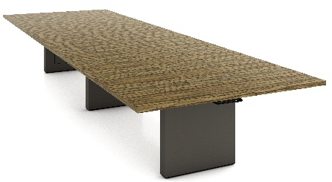 | GS-03F-078DA |  |  |  |  |  | 1 | $5,940.00 | $5,940.00 | $1.00 | $1.00 | $- | $- | $1.00
 |  |  |  | 1 1/4" Edge
 |  |  |  | (3) 3 1/2" x 24" Panel Base |  | Panel Base finish: Satin Lacquer
 |  |  |  | (2) Power/Data port at center of table |  | Ubmra Grey SL08 |  |  |  |  |  |  |  |  | Conf Table
 |  |  |  |  |  |  |  |  |  |  |  |  |  |  | Seats 12
 |  |  |  | https://www.datesweiser.com/products/jd-table/jd-table |  |  |  |  |  |  |  |  |  |  | Level A

401Q | Chamber Office | S21 | HBF | Salon Sofa | HLN309-013 |  |  | GS-28F-0020M |  |  |  |  |  | 1 | $8,850.00 | $8,850.00 | $1.00 | $1.00 | $- | $0.00 | $1.00
 |  |  |  | 80"W x 31 1/2"D x 32"H x Seat Ht 18"
 |  |  |  | Fully Upholstered / Wood Frame |  | Standard Wood Finish TBD
 |  |  |  | Grade-in Fabric |  | HBF Grade J
 |  |  |  |  |  | TBD
 |  |  |  |  |  |  |  |  |  |  |  |  |  |  | Sofa
 |  |  |  | https://www.hbf.com/products/seating/salon-sofa |  |  |  |  |  |  |  |  |  |  | Level A
401R, 401S, 401T, 401U, 401V, 401Y | Clerks Office / Interns | CH21 | Herman Miller | Aeron Chair | AER1 | graphite / black | 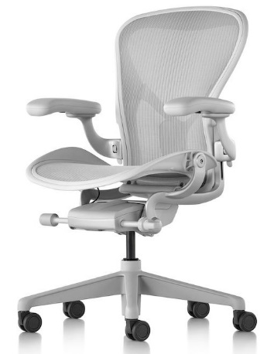 | GS-28F-0001V |  |  |  |  |  | 7 | $1,080.00 | $7,560.00 | $1.00 | $7.00 | $- | $0.00 | $7.00
 |  |  |  | Size B
 |  |  |  | Tilt Limiter & seat angle
 |  |  |  | Fully adjustable arms
 |  |  |  | Non-upholstered armpads
 |  |  |  | Adjustale lumbar support
 |  |  |  | Mesh, Mineral | 23101
 |  |  |  | Frame/Arms/Base finish, Mineral | VPR
 |  |  |  | 2 1/2" hard caster, black yoke (for carpet) |  |  |  |  |  |  |  |  |  |  | Ergonomic Task
 |  |  |  | Armpad Finish, Mineral |  |  |  |  |  |  |  |  |  |  | Chair w/ arms
 |  |  |  | https://www.hermanmiller.com/products/seating/office-chairs/aeron-chairs/ |  |  |  |  |  |  |  |  |  |  | Level B
401R, 401S, 401T, 401U, 401V | Clerks Office | CH22 | Cumberland | Revo Guest Chair 23"W x 22"D x 30"H | 2453 | Premium White Oak Finish, WO |  | GS-28F-0030U |  |  |  |  |  | 5 | $1,720.00 | $8,600.00 | $1.00 | $5.00 | $- | $0.00 | $5.00
 |  |  |  | Arm chair, upholstered back |  | WO finish TBD |  |  |  |  |  |  |  |  | Exec. wood guest chair w/ arms
 |  |  |  | Grade-in fabric |  | Grade 2
 |  |  |  | https://www.cumberlandfurniture.com/product/revo-guest/ |  |  |  |  |  |  |  |  |  |  | Level A
401 W | Reception | CH23 | Bernhardt Design | Catherine Chair | 4750 | Wood Finish: TBD | 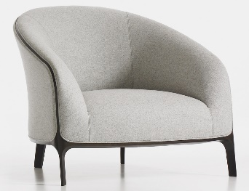 |  |  |  |  |  |  | 2 | $2,810.00 | $5,620.00 | $1.00 | $2.00 | $- | $0.00 | $2.00
 |  |  |  | 34 7/8"W x 32 3/4"D x 29 1/4"H
 |  |  |  | Seat Ht 15 1/4", Arm Ht. 21"
 |  |  |  | Grade-in Fabric, base yardage: 5 |  | Fabric Grade 11
 |  |  |  |  |  | TBD |  |  |  |  |  |  |  |  | Lounge Chair
 |  |  |  | https://bernhardtdesign.com/furniture/catherine-2/ |  |  |  |  |  |  |  |  |  |  | Level A
401Q | Chamber Office | CH24 | JSI | Proxy Mid Back, Arm, Upholstered Back | PX822S | Wood Finish: Walnut | 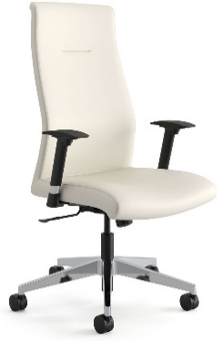 | GS-28F-0030U |  |  |  |  |  | 6 | $3,020.00 | $18,120.00 | $1.00 | $6.00 | $- | $0.00 | $6.00
 |  |  |  | 28 1/2"W x 28 1/2"D x 44 5/8"H |  | COM Upholstery
 |  |  |  | Swivel Tilt
 |  |  |  | Adjustable slim profile T arm
 |  |  |  | Black polyurethane base w/ Black casters (carpet)
 |  |  |  | Grade-in Fabric |  | Ultrafabric Grade E
 |  |  |  | Double Stitch Outer Back |  | Brissa color TBD |  |  |  |  |  |  |  |  | Exec Conf Chair with Arms
 |  |  |  | https://www.jsifurniture.com/series/products/proxy
 |  |  |  |  |  |  |  |  |  |  |  |  |  |  | Level A
401Q | Chamber Office | CH 25 | HBF | Salon Lounge Chair | 3540 |  | 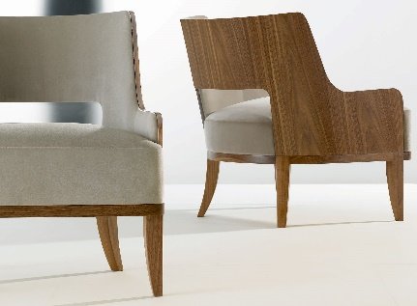 | GS-28F-0020M |  |  |  |  |  | 2 | $2,810.00 | $5,620.00 | $1.00 | $2.00 | $- | $0.00 | $2.00
 |  |  |  | 28 1/2"W x 30 1/4"D x 29 3/4""H
 |  |  |  | Fully Upholstered / Open Back / Wood Outer Frame |  | Standard Wood Finish TBD
 |  |  |  | Grade-in Fabric |  | HBF Grade J
 |  |  |  |  |  | TBD |  |  |  |  |  |  |  |  | Lounge Chair
 |  |  |  | https://www.hbf.com/products/seating/salon-lounge-chair-open-back |  |  |  |  |  |  |  |  |  |  | Level A
401Q | Chamber Office | CH26 | Bernhardt Design | Capri Guest Chair | 1714 |  | 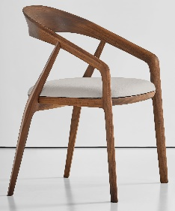 |  |  |  |  |  |  | 2 | $1,720.00 | $3,440.00 | $1.00 | $2.00 | $- | $0.00 | $2.00
 |  |  |  | 23"W x 22 1/2"D x 33 1/2"H x Seat Ht 19"
 |  |  |  | Maple |  | Finish TBD
 |  |  |  | Grade-in Fabric |  | Coated Fabric: Brisa |  |  |  |  |  |  |  |  | Exec Wd Side Chair
 |  |  |  |  |  | TBD
 |  |  |  | https://bernhardtdesign.com/furniture/capri/ |  |  |  |  |  |  |  |  |  |  | Level A
401Q | Chamber Office | CH27 | VIA | Oslo High Back | 7103-10CH-17A-18BB-16HP |  | 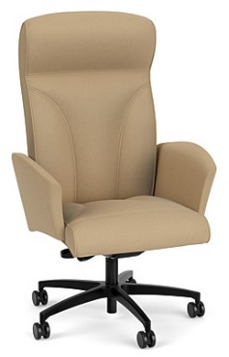 | GS-28F-005CA |  |  |  |  |  | 1 | $3,020.00 | $3,020.00 | $1.00 | $1.00 | $- | $0.00 | $1.00
 |  |  |  | Synchro control w/ heavy-duty spring tension control mechanism & seat depth adjustment. | 10CH
 |  |  |  | Fully upholstered wing arms | 17A |  |  |  |  |  |  |  |  |  | Executive Conference Chair with arms
 |  |  |  | Black nylon 5-star swivel base | 18BB
 |  |  |  | Black carpet casters | 16HP
 |  |  |  | VIA Leather | GR8 | Grade 8, color TBD
 |  |  |  | https://viaseating.com/spec-it/#/oslo/7103/114ed3c7e82569cfd0db364891be0905156ab3fa |  |  |  |  |  |  |  |  |  |  | Level A
 |  |  |  |  |  |  |  |  |  |  |  |  | SUBTOTALS |  |  | $97,228.00 |  | $51.00 | $0.00 | $0.00 | $51.00

I N S T A L L A T I O N & D E L I V E R Y
 |  |  |  |  |  |  |  | DELIVERY, Lump Sum by Dealer |  |  |  |  |  |  |  |  |  |  |  |  | $1.00
 |  |  |  |  |  |  |  | INSTALLATION, Lump sum by dealer |  |  |  |  |  |  |  |  |  |  |  |  | $1.00

 |  |  |  |  |  |  |  |  |  |  |  |  | TOTAL |  |  |  |  |  |  |  | $53.00

