FURNITURE BID Info
 |  |  |  |  |  |  |  |  |  |  |  |  |  |  | Project Location: |  | Suite 328
 |  |  |  |  |  |  |  |  |  |  |  |  |  |  |  |  | Joseph P. KinnearyU.S. Courthouse
 |  |  |  |  |  |  | 2022-08-02 |  |  |  |  |  |  |  |  |  | 85 Marconi Blvd
 |  |  |  |  |  |  |  |  |  |  |  |  |  |  |  |  | Columbus, OH 43215
 |  |  |  |  |  |  |  |  |  |  |  |  |  |  | Project Estimated Start: |  | Jan-23

Room | Room Name | Key | Manufacturer | Description / Link | Model # | Finish | Image | GSA Contract Number | OPEN MARKET | QUOTED AS SPECIFIED | CANNOT BE BID | SUBSTUTUTE PROVIDED | LEAD TIME in Weeks | QTY | COST CEILING 2021 | PROJECTED COST | UNIT PRICE | EXTENDED COST | INSTALL COSTS | FREIGHT PER MFG. | TOTAL PRODUCT, DELIVERED, INSTALLED, FREIGHT, PER QUANTITY

C A S E G O O D S
328F | Clerks Office | D1 | OFS | Cambria Laminate RHR Desk | 47QSMA18D08QX | Laminate: Sienna |  | GS-03F-078DA |  |  |  |  |  | 1 | $3,880.00 | $3,880.00 | $1.00 | $1.00 | $0.25 | $0.25 | $1.50
 |  |  |  | Desk: 66W x 30D x 30H, no pedestal |  | Moulding: Atria
 |  |  |  | Right Return: 48L x 20D x 30H, Tray/Box/File Ped |  | Pull: Asbury Brass |  |  |  |  |  |  |  |  | L-Shape Desk
 |  |  |  | https://ofs.com/products/casegoods/private-office/cambria |  |  |  |  |  |  |  |  |  |  | Level B
328F | Clerks Office | D2 | OFS | Cambria Laminate LHR Desk | 47QSMA18D08QX | Laminate: Sienna |  | GS-03F-078DA |  |  |  |  |  | 1 | $3,880.00 | $3,880.00 | $1.00 | $1.00 | $0.25 | $0.25 | $1.50
 |  |  |  | Desk: 66W x 30D x 30H, no pedestal |  | Moulding: Atria
 |  |  |  | Left Return: 48L x 20D x 30H, Tray/Box/File Ped |  | Pull: Asbury Brass |  |  |  |  |  |  |  |  | L-Shape Desk
 |  |  |  | https://ofs.com/products/casegoods/private-office/cambria |  |  |  |  |  |  |  |  |  |  | Level B
328B | Chamber Office | D3 | OFS | Classic 36x84 Single Ped Desk Right Locking | 47QSMA18D08QX | Veneer: Cherry, Sienna | 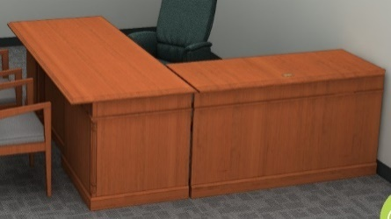 | GS-03F-078DA |  |  |  |  |  | 1 | $5,510.00 | $5,510.00 | $1.00 | $1.00 | $0.25 | $0.25 | $1.50
 |  |  |  |  |  | Pull: Classic |  |  |  |  |  |  |  |  | Exec. Desk
 |  |  |  |  |  |  |  |  |  |  |  |  |  |  | Level A
328B | Chamber Office | D4 | OFS | Classic 22x60 Height Adjustable Bridge | 47QSMA18D08QX | Veneer: Cherry, Sienna |  | GS-03F-078DA |  |  |  |  |  | 1 | $3,130.00 | $3,130.00 | $1.00 | $1.00 | $0.25 | $0.25 | $1.50
 |  |  |  |  |  |  |  |  |  |  |  |  |  |  | Sit/Stand Desk
 |  |  |  | https://ofs.com/products/casegoods/private-office/classic |  |  |  |  |  |  |  |  |  |  | Level A

T A B L E S
328 E | Conference | T1 | Dateswiser | JD Table 54"W x 108"L x 30"H |  | Rift American White Oak to match architect's sample |  |  |  |  |  |  |  | 1 | $3,670.00 | $3,670.00 | $1.00 | $1.00 | $0.25 | $0.25 | $1.50
 |  |  |  | 2" Edge, 3 1/2" x 24" Panel Base
 |  |  |  | (1) Power/Data port at center of table |  | Panel Base finish to match table top
 |  |  |  |  |  |  |  |  |  |  |  |  |  |  | Med Conf Table
 |  |  |  | https://www.datesweiser.com/products/jd-table/jd-table |  |  |  |  |  |  |  |  |  |  | Level A
328B | Chamber Office | T2 | OFS | Meeting Room Round Top, 60" Dia | CT5-60RT | Flat Cut Veener |  | GS-03F-078DA |  |  |  |  |  | 1 | $3,130.00 | $3,130.00 | $1.00 | $1.00 | $0.25 | $0.25 | $1.50
 |  |  |  | Lumber Banded Edge, Straight Grain Veneer Top |  | Sienna MLC
 |  |  |  | Radius Edge | AC
 |  |  |  | Base: Triple Column Panel | CB-3V
 |  |  |  |  |  |  |  |  |  |  |  |  |  |  | Sm. Conf Table
 |  |  |  | https://ofs.com/products/tables/conference/meeting-room |  |  |  |  |  |  |  |  |  |  | Level A
328B | Chamber Office | T3 | Fairfield | Grandview Oval Cocktail Table | 8115-46 | Cherry Solids & Veneers |  |  |  |  | X |  |  | 1 | $1,510.00 | $1,510.00 | $1.00 | $1.00 | $0.25 | $0.25 | $1.50
 |  |  |  | 42" x 28" x 19.50"h |  | Candlelight Finish
 |  |  |  | https://fairfieldchair.com/grandview-oval-cocktail-table-8115-46 |  |  |  |  |  |  |  |  |  |  | Coffee Table
 |  |  |  |  |  |  |  |  |  |  |  |  |  |  | Level A
328B | Chamber Office | T4 | Fairfield | East Camden Drink Table | 8098-88 | Antique Brass Metal Base |  |  |  |  | X |  |  | 1 | $1,410.00 | $1,410.00 | $1.00 | $1.00 | $0.25 | $0.25 | $1.50
 |  |  |  | 18"Dia. top x 26"H |  | Acid-etched glass top
 |  |  |  | https://fairfieldchair.com/east-camden-drink-table-8098-88?pageSize=96&page=1&sortKey=name&sortDirection=ASC |  |  |  |  |  |  |  |  |  |  | End Table
 |  |  |  |  |  |  |  |  |  |  |  |  |  |  | Level A
328A | Reception | T5 | Ethan Allen | Belle Table | 139283 184 | Frame finish: Bullion (184) |  |  |  |  | X |  |  | 1 | $1,410.00 | $1,410.00 | $1.00 | $1.00 | $0.25 | $0.25 | $1.50
 |  |  |  | 18"Dia x 24.5"H |  | Tempered glass top
 |  |  |  | Steel frame with decorative atiqued finish |  |  |  |  |  |  |  |  |  |  | End Table
 |  |  |  | https://www.ethanallen.com/en_US/shop-furniture-living-room-side-and-accent-tables-accent-tables/belle-table/139283.html#start=1 |  |  |  |  |  |  |  |  |  |  | Level A

328A | Reception | CH 1 | Fairfield | Hanna Occasional Chair | 203 | Upholstery: | 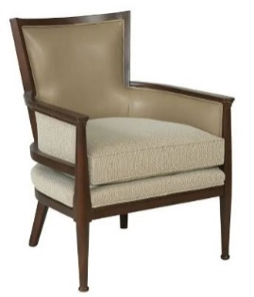 |  |  |  | X |  |  | 2 | $2,810.00 | $5,620.00 | $1.00 | $2.00 | $0.25 | $0.25 | $2.50
 |  |  |  | 26"W x 26.5"D x 34"H |  | All upholstered surfaces to be:
 |  |  |  |  |  | COM fabric, $85yd allowance
 |  |  |  |  |  | Except inside back to be:
 |  |  |  |  |  | Ultrafabrics, Brisa, Desert Clay 533-3864 |  |  |  |  |  |  |  |  | Lounge Chair
 |  |  |  | https://fairfieldchair.com/hanna-occasional-chair-s-7400-01?pageSize=96&page=1&sortKey=name&sortDirection=ASC
 |  |  |  |  |  | Wood: Walnut Finish |  |  |  |  |  |  |  |  | Level A
328B | Chamber Office | CH 2 | Cabot Wren | Aston Midback Swivel Tilt Chair | 4782ST |  |  |  |  |  |  |  |  | 6 | $3,020.00 | $18,120.00 | $1.00 | $6.00 | $0.25 | $0.25 | $6.50
 |  |  |  | Wood Base K |  | Finish TBD |  |  |  |  |  |  |  |  | Exec Conf Chair with Arms
 |  |  |  | Cover for inside of seat and back, Grade J |  | Grade J TBD
 |  |  |  | Cover for arms and outside back, Grade H |  | UF Brisa, color TBD

 |  |  |  | https://www.cabotwrenn.com/Products/Detail?SKU=4782ST |  |  |  |  |  |  |  |  |  |  | Level A
328B | Chamber Office | CH 3 | Fairfield | Big Sur Arm Chair | 8851-04 |  |  |  |  |  | X |  |  | 2 | $1,720.00 | $3,440.00 | $1.00 | $2.00 | $0.25 | $0.25 | $2.50
 |  |  |  | 24"W x 27"D x 37.5"H
 |  |  |  | Mahogany frame
 |  |  |  | COM fabric |  |  |  |  |  |  |  |  |  |  | Exec wood side chair w/ Arms

 |  |  |  | https://fairfieldchair.com/big-sur-arm-chair-8851-04 |  |  |  |  |  |  |  |  |  |  | Level A
328J | Copy/Galley | CH 4 | Davis | Muse Bar Stool | 6404-01 | Sable wood finish |  |  |  |  | X |  |  | 2 | $750.00 | $1,500.00 | $1.00 | $2.00 | $0.25 | $0.25 | $2.50
 |  |  |  | 27.5"W x 27.75"D x 29"H |  | Grade J Fabric

 |  |  |  | https://fairfieldchair.com/ginny-lounge-chair-6404-01 |  |  |  |  |  |  |  |  |  |  | Side Chair
 |  |  |  |  |  |  |  |  |  |  |  |  |  |  | Level B
328C, 328D, 328F, 328G, 328H | Clerk's Office | CH 5 | Indiana Furniture | Cirka Chair Half Upholstered Barrel Back Guest | 206 | Williamsburg Cherry | 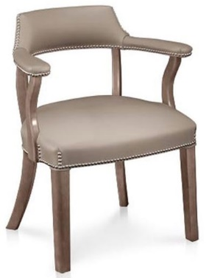 | 47QSCA19D000A |  |  |  |  |  | 6 | $1,720.00 | $10,320.00 | $1.00 | $6.00 | $0.25 | $0.25 | $6.50
 |  |  |  | 25"W x23"D x 30"H |  | Brass Nail Trim
 |  |  |  | Nylon Glides for carpet
 |  |  |  | COM Fabric Upholstery
 |  |  |  |  |  |  |  |  |  |  |  |  |  |  | Exec. wood guest chair w/ arms

 |  |  |  | https://www.indianafurniture.com/product/cirka-guest |  |  |  |  |  |  |  |  |  |  | Level A
328H | Office | CH 6 | Herman Miller | Aeron Chair | AER1 | graphite / black | 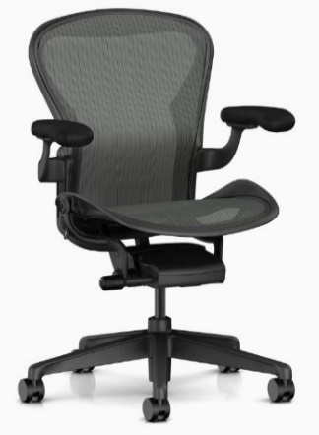 | GS-03F-036DA |  |  |  |  |  | 1 | $1,080.00 | $1,080.00 | $1.00 | $1.00 | $0.25 | $0.25 | $1.50
 |  |  |  | Size A, low height range | A1
 |  |  |  | Tilt Limiter & seat angle | 3
 |  |  |  | Fully adjustable arms | D
 |  |  |  | Non-upholstered armpads | W
 |  |  |  | Adjustale lumbar support | AJ
 |  |  |  | Frame finish, Graphite | G1
 |  |  |  | Chassis Finish, Graphite | G1
 |  |  |  | Base Finish, Graphite | G1
 |  |  |  | 2 1/2" hard caster, black yoke (for carpet) | BB |  |  |  |  |  |  |  |  |  | Ergonomic Task
 |  |  |  | Armpad Finish, Black | BK |  |  |  |  |  |  |  |  |  | Chair w/ arms
 |  |  |  | https://store.hermanmiller.com/office-chairs-aeron/aeron-chair/2195348.html?lang=en_US |  |  |  |  |  |  |  |  |  |  | Level B
328E | Conference | CH 7 | VIA | Vero, high back | 875-F-74C-97A-18PB-16HP-GR6 |  | 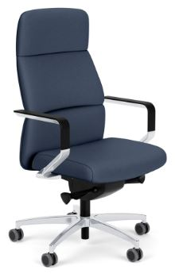 | GS-28F-005CA |  |  |  |  |  | 8 | $1,720.00 | $13,760.00 | $1.00 | $8.00 | $0.25 | $0.25 | $8.50
 |  |  |  | Fixed Back | F
 |  |  |  | Auto-adjust body balance control mechanism | 74C
 |  |  |  | Polished contemporary cantilever arms w/ black armrests | 97A
 |  |  |  | Polished aluminum 5-star swivel base | 18PB
 |  |  |  | Black carpet casters | 16HP |  |  |  |  |  |  |  |  |  | Exec Conf Chair with Arms
 |  |  |  | Ultraleather Pro, Color: TBD, Grade 6 Vinyl
 |  |  |  | https://viaseating.com/series/vero-chairs/ |  |  |  |  |  |  |  |  |  |  | Level A
 |  |  |  |  |  |  |  |  |  |  |  |  | SUBTOTALS |  |  | $81,370.00 |  | $36.00 | $4.00 | $4.00 | $44.00

I N S T A L L A T I O N & D E L I V E R Y
 |  |  |  |  |  |  |  | DELIVERY, Lump Sum by Dealer |  |  |  |  |  |  |  |  |  |  |  |  | $1.00
 |  |  |  |  |  |  |  | INSTALLATION, Lump sum by dealer |  |  |  |  |  |  |  |  |  |  |  |  | $1.00

 |  |  |  |  |  |  |  |  |  |  |  |  | TOTAL |  |  |  |  |  |  |  | $46.00

