FURNITURE BID Info
 |  |  |  |  |  |  |  |  |  | Project Location: |  |  | Suite 208
 |  |  |  |  |  |  |  |  |  |  |  |  | 13919 South Bayshore Drive
 |  |  |  |  |  |  |  |  |  |  |  |  | Traverse City, MI 49684

 |  |  |  |  | ISSUED: | 2023-04-17 |  |  |  | Project Estimated Start: |  |  | As soon as possible
 |  |  |  |  |  | 8/22/2023 Revised

Room Name | Key | Manufacturer | Description / Link | Model # | Finish | Image | QUOTED AS SPECIFIED | CANNOT BE BID | SUBSTUTUTE PROVIDED | LEAD TIME in Weeks | QTY | COST CEILING 2023 2021 | UNIT PRICE | EXTENDED COST | INSTALL COSTS | FREIGHT PER MFG. | TOTAL PRODUCT, DELIVERED, INSTALLED, FREIGHT, PER QUANTITY

Judicial Asst. Office 207 | D-1 | OFS | Cambria - Veneer |  |  | 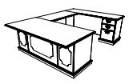 |  |  |  |  | 1 |  | $1.00 | $1.00 | $- | $- | $1.00
 |  |  | Left U: | Veneer | Stain to match Court's control sample
 |  |  | Desk: 72W x 36D x 30H, single ped (box-box-file), right | 23-W7236RPD | LL Cameo moulding at desk
 |  |  | Left Bridge: 48W x 22D x 30H, half modesty | 23-W2248BL | no moulding at bridge
 |  |  | Credenza: 60W x 20D x 30H, single ped (file-file) left | Custom Width (60") | no moulding credenza
 |  |  |  |  | A1M, Antique Brass Colonnade Pulls
 |  |  |  |  | LU, With pullout
 |  |  |  |  | Z6, Locking center drawer
 |  |  |  |  | G1, No Grommet
 |  |  | https://ofs.com/products/workspaces/private-office/cambria
Judicial Asst. Office 207 | F-1 | OFS | Cambria - Veneer | Veneer | Stain to match Court's control sample |  |  |  |  |  | 4 |  | $1.00 | $4.00 | $- | $- | $4.00
 |  |  | Lateral File | 23-W3654LFC | No base or top edge profile on sides to allow files to fit tight side-to-side
 |  |  | 36W x 20D x 53.88H
 |  |  |  |  | Base at front only
 |  |  |  |  | A1M, Antique Brass Colonnade Pulls
 |  |  |  |  | LW Unfinished Back
 |  |  |  |  | LCK1, Locking


 |  |  | https://ofs.com/products/workspaces/private-office/cambria
Judicial Asst. Office 207 | CR-1 | OFS | Cambria - Veneer | Veneer | Stain to match Court's control sample |  |  |  |  |  | 1 |  | $1.00 | $1.00 | $- | $- | $1.00
 |  |  | Credenza with Double Lateral File | Custom Width, 72" | A1M, Antique Brass Colonnade Pulls
 |  |  | 72W x 20D x 30H |  | LW Unfinished Back
 |  |  |  |  | LCK1, Locking

 |  |  | https://ofs.com/products/workspaces/private-office/cambria
Judicial Asst. Office 207 | CR-2 | OFS | Cambria - Veneer | Veneer | Stain to match Court's control sample |  |  |  |  |  | 1 |  | $1.00 | $1.00 | $- | $- | $1.00
 |  |  | CUSTOM - Credenza with Triple Lateral File, single piece top | Custom Width, 108" | A1M, Antique Brass Colonnade Pulls
 |  |  | 108W x 20D x 30H |  | LW Unfinished Back | NO IMAGE
 |  |  |  |  | LCK1, Locking

 |  |  | https://ofs.com/products/workspaces/private-office/cambria
Clerks Office 204 | T-1 | OFS | Cambria - Veneer |  | Stain to match Court's control sample |  |  |  |  |  | 1 |  | $1.00 | $1.00 | $- | $- | $1.00
 |  |  | Round Table & Base | Veneer
 |  |  | 36" Dia. x 30"H
 |  |  | Circular Table Top | 23-W36RT | No power cut out
 |  |  | Queen Anne Base | 23-WQB36

 |  |  | https://ofs.com/products/workspaces/private-office/cambria
Clerks Office 204 | T-2 | OFS | Embrace Round End Table | EFC108-18RD | Stain to match Court's control sample |  |  |  |  |  | 1 |  | $1.00 | $1.00 | $- | $- | $1.00
 |  |  | 18" Dia. x 23"H

 |  |  | https://ofs.com/products/tables/occasional/embrace
Reception 200 | T-3 | OFS | Embrace Round Cocktail Table | EFC108-32RD | Stain to match Court's control sample |  |  |  |  |  | 1 |  | $1.00 | $1.00 | $- | $- | $1.00
 |  |  | 32" Dia. x 18"H

 |  |  | https://ofs.com/products/tables/occasional/embrace
Reception 200 | T-4 | Ethan Allen | Vida Stone-Top Demilune Console Table | 1383475-127 | hand-forged iron base in natural rustic finish | 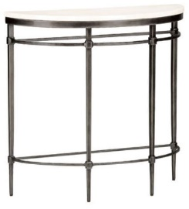 |  |  |  |  | 1 |  | $1.00 | $1.00 | $- | $- | $1.00
 |  |  | 36"W x 14"D x 34"H

 |  |  | https://www.ethanallen.com/en_US/shop-furniture-living-room-console-tables/vida-stone-top-demilune-console/138347S++127.html#start=1
Clerks Offices | CH-1 | OFS | Brio Guest Chair | 23037 | Stain to match Court's control sample | 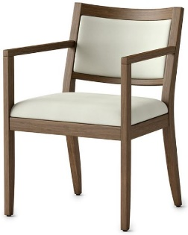 |  |  |  |  | 7 |  | $1.00 | $7.00 | $- | $- | $7.00
204, 205, 206, 207, 210 |  |  | Upholstered Seat and Back | Upholstery Fabric
 |  |  | 22"W x 22"D x 32"H | Mfr: Bernhardt Textiles
 |  |  |  | Style: Valencia | Face: 100% Mohair
 |  |  |  | Color: Mood Indigo 3295-004 | Back: 100% Cotton
 |  |  | https://ofs.com/products/seating/guestmulti-use/brio?search=brio
Clerks Office 204 | CH-2 | Pottery Barn | Irving Roll Arm Leather Armchair | 2527690 | Statesville Indigo Blue Leather | 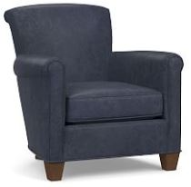 |  |  |  |  | 1 |  | $1.00 | $1.00 | $- | $- | $1.00
 |  |  | 32W x 35.5D x 32.5H

 |  |  | https://www.potterybarn.com/products/irving-professor-leather-armchair/?cm_src=chairs-ottomans
Reception 200 | CH-3 | Bernhardt | Blaine Lounge | 6458 | Low Back | 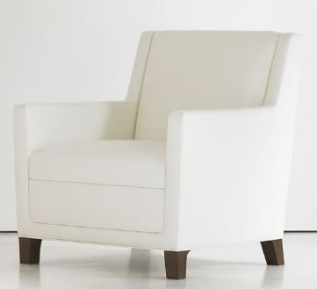 |  |  |  |  | 2 |  | $1.00 | $2.00 | $- | $- | $2.00
 |  |  | 29 1/2"W x 31"D x 33"H | Upholstery Fabric
 |  |  |  | Mfr: Bernhardt Textiles
 |  |  |  | Style: Valencia | Face: 100% Mohair
 |  |  |  | Color: Mood Indigo 3295-004 | Back: 100% Cotton

 |  |  | Legs - Wood Finish | Maple #861
 |  |  | https://bernhardtdesign.com/furniture/blaine-2/?r-index=sofas
Reception 200 | S-1 | Bernhardt | Blaine Two-Seat Sofa | 6465 | Low Back | 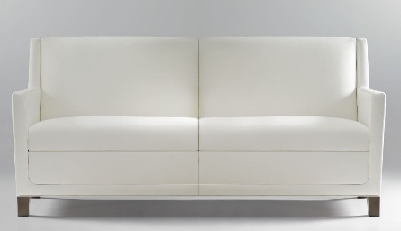 |  |  |  |  | 1 |  | $1.00 | $1.00 | $- | $- | $1.00
 |  |  | 72"W x 31"D x 33"H | Upholstery Fabric
 |  |  |  | Mfr: Bernhardt Textiles
 |  |  |  | Style: Valencia | Face: 100% Mohair
 |  |  |  | Color: Mood Indigo 3295-004 | Back: 100% Cotton

 |  |  | Legs - Wood Finish | Maple #861
 |  |  | https://bernhardtdesign.com/furniture/blaine-2/?r-index=sofas
Clerks Office 204 | OT-1 | Pottery Barn | Irving Leather Storage Ottoman | 3183543 | Statesville Indigo Blue Leather |  |  |  |  |  | 1 |  | $1.00 | $1.00 | $- | $- | $1.00
 |  |  | 22W x 18D x 15H

 |  |  | https://www.potterybarn.com/products/irving-leather-storage-ottoman/?cm_src=living-room-benches
Clerks Office 204 | L-1 | Pottery Barn | Chelsea Floor Lamp | 4584901 | Lamp: Antique Brass |  |  |  |  |  | 1 |  | $1.00 | $1.00 | $- | $- | $1.00
 |  |  | 14" Dia. x 50"H adjusts to 70"H
 |  |  | Large Tapered Gallery Shade included |  | Shade: Sand

 |  |  | https://www.potterybarn.com/products/chelsea-floor-lamp/?pkey=cfloor-lamps

 |  |  |  |  |  |  |  |  |  | SUBTOTALS |  |  |  | $14.00 | $0.00 | $0.00 | $24.00

 |  |  |  |  |  | DELIVERY, Lump Sum by Dealer (if not included above) |  |  |  |  |  |  |  |  |  |  | $1.00
 |  |  |  |  | INSTALLATION, Lump Sum by Dealer (if not included above) |  |  |  |  |  |  |  |  |  |  |  | $1.00

 |  |  |  |  |  |  |  |  |  | TOTAL |  |  |  |  |  |  | $26.00

